Sheet1
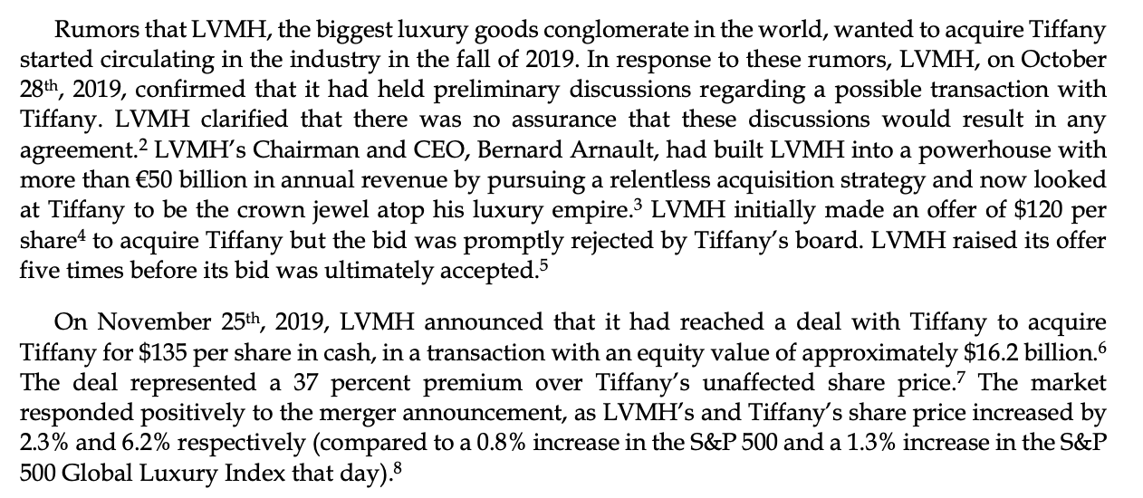
 | News | Expected Move | Nick | Percent allocation | Fees | PnL
Refrigerators | Trending | 0.1 | -5 | 4 | 1440 | 1560 |  | Icicle Earrings
Icicle Earings | Rumor Acq closed | -0.04 | 10 | -2 | 360 | 240
Electric Blankets | Software recall | -0.25 | -6 | -10 | 9000 | 9750
Sleds | Tax increase | -0.2 | -8 | -8 | 5760 | 6240
Ice Sculptures | Delay | 0.07 | 5 | 3 | 810 | 765
PS6 | Big sales increase | 0.25 | 12 | 10 | 9000 | 9750
Moustache Serum | Fraud report | -0.57 | -15 | -24 | 51840 | 50,760
Lava Lamps | Lava leak | -0.12 | -10 | -5 | 2250 | 2250
Hot Chocolate | Celebrity lawsuit | 0.07 | 3 | 3 | 810 | 765

Base | 750000 | 1.67 | 74 | 69 |  | 82080

Cap | 45.643546459 | 0.18555555556 | 0.13333333333

 |  |  |  |  |  |  | 0.03125

